A
Didden's Availability as of March 23rd |  |  |  |  |  |  |  |  |  |  |  |  |  |  |  |  |  |  |  |  |  | Page 1 flat total: | 0
George Didden Greenhouses, Inc. Hatfield, Pa 19440 |  |  |  |  |  |  |  |  | Customer name: |  |  |  |  |  |  |  |  |  |  |  |  | FINAL flat total: | 0
Phone (215)855-2114 Fax (215)855-7886 |  |  |  |  |  |  |  |  |  |  |  |  | Ordered by: |  |  |  |  |  |  |  |  | FINAL 8" pot total: | 0
E-mail: sales@georgedidden.com |  |  |  |  |  |  |  |  |  |  | Contact phone # |  |  |  |  |  |  |  |  |  |  | FINAL 10" Basket total: | 0
 |  |  |  |  |  |  |  |  |  | Desired Delivery Date: |  |  |  |  |  |  |  |  |  |  |  | FINAL 12" Basket total: | 0

Description code
vs= Very Small sm= Small gs= Good Size b= Bud sc=Some Color c= Color *c= Full Color ~ = Not available

 |  |  |  |  |  |  |  |  |  |  |  |  |  |  | Des. | Order
 |  |  |  |  |  |  | Cactus & Succulents in clay pots
 |  |  |  |  |  |  | 1" flat 36 pots in Clay pots |  |  |  |  |  |  |  | gs
 |  |  |  |  |  |  | 2" flat of 24 pots |  |  |  |  |  |  |  | gs
 |  |  |  |  |  |  | 3" flat of 18 pots |  |  |  |  |  |  |  | gs/few
 |  |  |  |  |  |  | 4" flat of 12 pots |  |  |  |  |  |  |  | gs
 |  |  |  |  |  |  | 4.5" flat of String of Pearls of 6 pots |  |  |  |  |  |  |  | gs/few
 |  |  |  |  |  |  | 6" flat of 6 pots |  |  |  |  |  |  |  | gs/few |  | <<Mixed Garden

 |  |  |  |  |  |  | 1" plugs lat (102 plugs/flat) |  |  |  |  |  |  |  | gs
 |  |  |  |  |  |  | 2" plugs flat of 72 asst plugs |  |  |  |  |  |  |  | gs

Larger potted plants
 | 7" Geranium, Assorted |  |  |  | sc
 | 7" Dahlias, Assorted |  |  |  | b/sc
 | 6" Stock, Vintage Mix |  |  |  | sc
 | 12" Color Bowls |  |  |  | sc

Spring Bulbs 6" /flat of 6 pots 8" |  |  |  |  |  |  |  |  |  |  |  | s/o=Sold Out n/a= NOT available
 |  |  |  | 4.5" | Order Qty. |  | 6" | Order Qty. |  | 8" | Order Qty.
Hyacinths, Blue |  |  |  | s/o |  |  | b |  |  | b
Hyacinths, White |  |  |  | s/o |  |  | b |  |  | s/o |  |  |  |  |  |  |  |  |  | -
Muscari (Grape Hyacinths) Blue |  |  |  | b |  |  | n/a |  |  | n/a
Narcissus, Yellow trumpet Daffodils |  |  |  | s/o |  |  | b/sc |  |  | gs
Narcissus, White trumpet Daffodils |  |  |  | s/o |  |  | b/sc |  |  | n/a
Narcissus, Tete-A-Tete (mini Daffs) |  |  |  | b/sc |  |  | s/o |  |  | n/a
Tulips, Bicolor Flaming Flag |  |  |  | s/o |  |  | b/sc |  |  | s/o
Tulips, Bicolor Fabio |  |  |  | s/o |  |  | s/o |  |  | s/o
Tulips, Lavender |  |  |  | s/o |  |  | b/sc |  |  | b/sc
Tulips, Orange |  |  |  | s/o |  |  | b/sc |  |  | b/sc
Tulips, Pink |  |  |  | s/o |  |  | b/sc |  |  | s/o
Tulips, Purple |  |  |  | s/o |  |  | b/sc |  |  | b/sc
Tulips, Red |  |  |  | s/o |  |  | b/sc |  |  | b/sc
Tulips, White |  |  |  | s/o |  |  | b/sc |  |  | b/sc
Tulips, Yellow |  |  |  | s/o |  |  | b/sc |  |  | s/o

 |  |  |  |  |  |  |  |  |  |  |  |  |  |  |  |  |  |  |  |  |  | Page 2 flat total: | 0
Ranunculus |  |  |  |  | 6" | Order Qty. | 10" | Order Qty. |  |  |  | Ranunculus pricing |  |  |  |  |  |  |  |  |  | 10" Basket total: | 0
 | Asst. (Grower's Choice) |  |  |  | *c |  | *c
 |  | Orange, Mache |  |  | c/few |  | *c
 |  | Pink, Mache |  |  | c/few |  | *c
 |  | Purple, Mache |  |  | c/few |  | -
 |  | Red, Mache |  |  | c/few |  | -
 |  | Rose, Mache |  |  | n/a |  | *c
 |  | White, Mache |  |  | c/few |  | *c
 |  | Yellow, Mache |  |  | c/few |  | *c

Pansy and Viola Availability
Pot sizes and prices:

 |  |  |  | MP | Order Qty. | 4" | Order Qty. | 4.5" | Order Qty. | 6" | Order Qty. | 10"HB | Order Qty.
Assorted Pansies (best color) |  |  |  | *c |  | *c |  | *c |  | *c |  | *c
Grower's Choice

MIXED
Asst. Mixes (Grower's Choice) |  |  |  | *c |  | *c |  | *c |  | *c |  | *c
Daffodil/Citrus Mix |  |  |  | ~ |  | ~ |  | *c |  | ~ |  | *c
Cool Waters Mix |  |  |  | ~ |  | ~ |  | c |  | ~ |  | ~
Frizzle Sizzle Mix-frilly |  |  |  | *c |  | ~ |  | *c |  | ~ |  | *c
Halloween Mix, Purple+ Orange |  |  |  | c |  | *c |  | c |  | sc |  | ~
Pure Mix, Delta |  |  |  | *c |  | *c |  | *c |  | *c |  | *c
Watercolors Mix, Delta |  |  |  | ~ |  | ~ |  | c/few |  | ~ |  | *c
Viola, All Seasons Mixed |  |  |  | *c |  | *c |  | *c |  | ~ |  | c
Viola, Citrus Mixed |  |  |  | *c |  | *c |  | sc |  | ~ |  | c
BLUE/PURPLE |  |  |  | MP | Order Qty. | 4" | Order Qty. | 4.5" | Order Qty. | 6" | Order Qty. | 10"HB | Order Qty.
Asst. Blues (Grower's Choice) |  |  |  | *c |  | ~ |  | *c |  | c |  | *c
Beaconsfield, Delta |  |  |  | sc |  | ~ |  | c |  | *c/few |  | *c
Black, Halloween 2 |  |  |  | *c |  | ~ |  | *c |  | ~ |  | ~
Blueberry Thrill |  |  |  | c/few |  | ~ |  | *c |  | ~ |  | ~
Lavender Shades, Delta |  |  |  | *c |  | ~ |  | *c |  | *c |  | *c
Light Pure, Delta |  |  |  | *c |  | ~ |  | *c |  | *c |  | ~
Marina light w/face, Delta |  |  |  | ~ |  | ~ |  | *c |  | ~ |  | *c
Midnight Glow, Matrix |  |  |  | c/few |  | ~ |  | *c |  | ~ |  | ~
Neon Violet, Delta |  |  |  | *c |  | ~ |  | *c |  | ~ |  | *c
Radiance Lilac, Ultima |  |  |  | sm |  | ~ |  | c |  | ~ |  | ~
Radiance Violet, Ultima |  |  |  | sc |  | ~ |  | *c |  | ~ |  | ~
True Blue, Matrix |  |  |  | *c |  | *c |  | *c |  | *c |  | *c
Violet Pure, Delta |  |  |  | *c |  | ~ |  | *c |  | *c |  | ~
Violet with White Face, Delta |  |  |  | c/few |  | ~ |  | *c |  | ~ |  | *c

ORANGE |  |  |  | MP | Order Qty. | 4" | Order Qty. | 4.5" | Order Qty. | 6" | Order Qty. | 10"HB | Order Qty.
Asst. Oranges (Grower's Choice) |  |  |  | c |  | ~ |  | *c |  | ~ |  | ~
Frizzle Sizzle Orange-frilly |  |  |  | c |  | ~ |  | *c |  | ~ |  | *c/few
Imperial Antique Shades |  |  |  | b |  | ~ |  | c |  | ~ |  | ~

Pansy and Viola Availability, con't. |  |  |  |  |  |  |  |  |  |  |  |  |  |  |  |  |  |  |  |  |  | Page 3 flat total: | 0
YELLOW |  |  |  | MP | Order Qty. | 4" | Order Qty. | 4.5" | Order Qty. | 6" | Order Qty. | 10"HB | Order Qty. |  |  |  |  |  |  |  |  | 10" Basket total: | 0
Asst. Yellows (Grower's Choice) |  |  |  | *c |  | *c |  | *c |  | *c |  | *c
Lemon Pure, Delta |  |  |  | *c |  | *c |  | *c |  | c |  | *c
Lemonberry, Frizzle Sizzle |  |  |  | *c |  | ~ |  | *c |  | - |  | *c
Matrix Morpheus |  |  |  | *c |  | ~ |  | *c |  | *c |  | *c
Yellow Pure, Delta |  |  |  | *c |  | *c |  | *c |  | *c |  | *c
Yellow w/face, Delta |  |  |  | *c |  | ~ |  | *c |  | *c |  | *c
Yellow w/Purple Wing, Delta |  |  |  | *c |  | ~ |  | *c |  | *c |  | ~
Yellow, Frizzle Sizzle |  |  |  | *c |  | ~ |  | *c |  | ~ |  | *c
Yellow Blue Swirl, Frizzle Sizzle |  |  |  | *c |  | ~ |  | *c |  | ~ |  | *c

RED/ROSE/PINK |  |  |  | MP | Order Qty. | 4" | Order Qty. | 4.5" | Order Qty. | 6" | Order Qty. | 10"HB | Order Qty.
Asst. (Grower's Choice) |  |  |  | *c |  | ~ |  | *c |  | *c |  | *c
Fire, Delta |  |  |  | *c |  | ~ |  | *c |  | *c |  | *c
Pink Shades, Delta |  |  |  | *c |  | ~ |  | *c |  | ~ |  | *c
Raspberry, Frizzle Sizzle |  |  |  | c/few |  | ~ |  | *c |  | ~ |  | *c
Red with Face, Delta |  |  |  | *c |  | *c |  | *c |  | *c |  | ~
Sangria Punch, Mammoth |  |  |  | c/few |  | ~ |  | *c |  | ~ |  | ~

WHITE |  |  |  | MP | Order Qty. | 4" | Order Qty. | 4.5" | Order Qty. | 6" | Order Qty. | 10"HB | Order Qty.
Asst. White (Grower's Choice) |  |  |  | *c |  | ~ |  | *c |  | ~ |  | ~
White Pure, Delta |  |  |  | *c |  | *c |  | *c |  | *c |  | *c
White with Face, Delta |  |  |  | sm |  | ~ |  | *c |  | ~ |  | ~

VIOLAS |  |  |  | MP | Order Qty. | 4" | Order Qty. | 4.5" | Order Qty. |  | Cool Wave Pansies |  |  |  |  | 4.5" | Order Qty. | 6" | Order Qty. | 10" | Order Qty.
Asst. Violas (Grower's Choice) |  |  |  | *c |  | *c |  | *c |  |  |  | Assorted Cool Waves |  |  |  | *c |  | *c |  | c/sm
Beaconsfield, Penny |  |  |  | *c |  | ~ |  | *c |  |  |  | Golden Yellow |  |  |  | *c |  | *c/few |  | c/sm
Blue, Penny |  |  |  | sm |  | ~ |  | *c/few |  |  |  | Lemon Surprise |  |  |  | *c |  | ~ |  | c/sm
Blueberry Sundae, Sorbet |  |  |  | *c |  | ~ |  | *c |  |  |  | Mixed |  |  |  | ~ |  | ~ |  | c/sm
Copperfield, Deltini |  |  |  | *c/few |  | ~ |  | *c |  |  |  | Morpho |  |  |  | *c |  | *c |  | c/sm
Denim, Penny |  |  |  | sm |  | ~ |  | *c |  |  |  | Purple |  |  |  | *c |  | *c |  | c/sm
Mix, All Seasons Penny |  |  |  | *c |  | *c |  | *c |  |  |  | Raspberry Swirl |  |  |  | ~ |  | ~ |  | c/sm
Mix, Citrus Penny |  |  |  | *c |  | c |  | *c |  |  |  | Violet with Wing |  |  |  | *c |  | *c |  | c/sm
Orange Jump-Up Penny |  |  |  | *c |  | ~ |  | *c
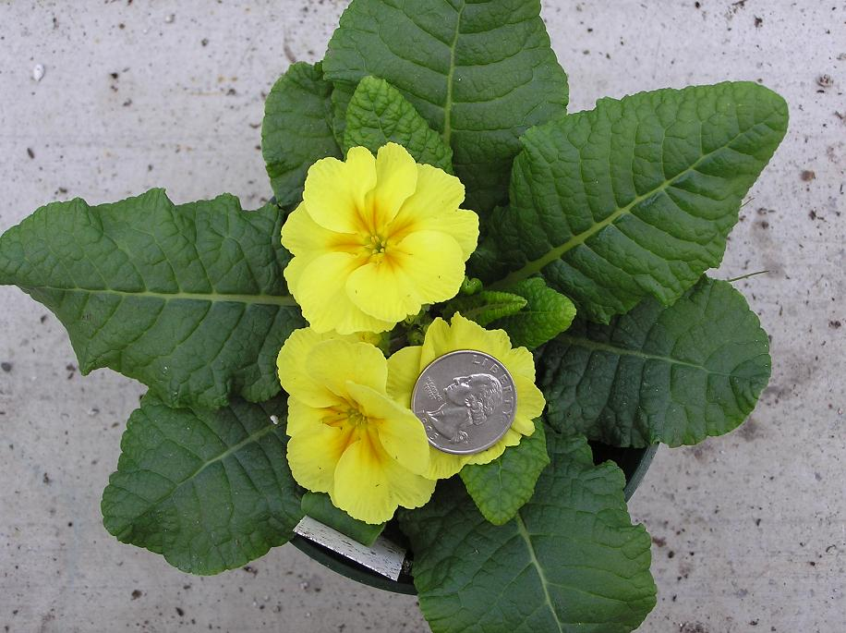
Orange, Penny |  |  |  | *c |  | ~ |  | *c
Peach Jump-up, Penny |  |  |  | *c |  | ~ |  | c
Pink Wing, Sorbet |  |  |  | *c |  | ~ |  | *c
Red with face, Penny |  |  |  | *c |  | ~ |  | c
Tapestry, Frizzle Sizzle Mini |  |  |  | *c |  | ~ |  | *c
Tiger Eyes, Angel |  |  |  | *c |  | ~ |  | *c
Violet/Purple, Penny |  |  |  | *c |  | ~ |  | *c
White Clear, Penny |  |  |  | *c |  | ~ |  | *c
Yellow Jump-up, Penny |  |  |  | *c |  | ~ |  | *c
Yellow, Penny |  |  |  | *c/few |  | ~ |  | *c

4.5" Primula |  |  |  |  | Des. | Order Qty. |  |  |  |  |  |  |  | Des. | Order Qty.
 | Grower's Choice |  |  |  | *c
 |  | Blue, Dark |  |  | *c/few |  |  |  |  |  |  |  |  | c/few |  | << Burgandy Bicolor
 |  | Double Flowered |  |  | c/few |  |  |  |  |  |  |  |  | *c |  | << Sweet 16 Bicolor
 |  | Pink |  |  | *c/few
 |  | Rose |  |  | *c/few |  |  |  |  |  |  |  |  | c/few |  | << White
 |  | Violet |  |  | *c/few |  |  |  |  |  |  |  |  | *c |  | << Yellow

 |  |  |  |  |  |  |  |  |  |  |  |  |  |  |  |  |  |  |  |  |  | Page 4 flat total: | 0
4.5" Potted Material |  |  |  |  |  | Desc. | Order |  |  |  |  |  |  |  |  |  |  | Desc. | Order

Alyssum, Lobularia (Grower's Choice) |  |  |  |  |  | sm |  |  |  |  | Nemesia, Asst. (Growers Choice) |  |  |  |  |  |  | *c
 |  | Snow Princess (PW) |  |  |  | n/a |  |  |  |  |  |  | Banana Swirl, Nesia |  |  |  |  | c/few
 |  | Lavender Stream (Wht/8) |  |  |  | sm |  |  |  |  |  |  | Banana Yellow, Angelart |  |  |  |  | b
 |  | Lilac Stream (Wht/8) |  |  |  | sm |  |  |  |  |  |  | Denim Dark Blue, Nesia |  |  |  |  | sm
 |  | Purple Stream (Wht/8) |  |  |  | sm |  |  |  |  |  |  | Peach, Nesia |  |  |  |  | c
Bacopa (Grower's Choice) |  |  |  |  |  | *c |  |  |  |  |  |  | Raspberry, Angelart |  |  |  |  | *c
 |  |  | Blue, Bacopa |  |  | c |  |  |  |  |  |  | Tutti Fritti, Nesia |  |  |  |  | c/few
 |  |  | Pink, Bacopa |  |  | *c/few |  |  |  |  |  |  | Watermellon, Angelart |  |  |  |  | c
 |  |  | Plum, Bacopa |  |  | c |  |  |  |  | Salvia, Cathedral Deep Blue |  |  |  |  |  |  | gs/b
 |  |  | White, Bacopa |  |  | *c |  |  |  |  | Stock, Hot Cakes Asst. (Grower's Choice) |  |  |  |  |  |  | b
Calibrachoa (PW), Asst (Grower's Choice) |  |  |  |  |  | *c |  |  |  |  |  |  |  |  |  | Purple |  | b
 |  |  | Blackberry Current |  |  | c |  |  |  |  |  |  |  |  |  | Pink |  | b
 |  |  | Blue Moon Punch |  |  | c |  |  |  |  |  |  |  |  |  | Rose |  | b
 |  |  | Coral Sun |  |  | c |  |  |  |  |  |  |  |  |  | Mixed |  | b
 |  |  | Dreamsicle |  |  | c
 |  |  | Grape Punch |  |  | c |  |  |  |  | Osteospermum, Asst. (Grower's Choice) |  |  |  |  |  |  | c
 |  |  | Lemon Slice |  |  | c |  |  |  |  |  | Double Moonglow, Bright Lights (PW) |  |  |  |  |  | sc
 |  |  | Over Easy |  |  | c |  |  |  |  |  | Horizon Sunset, Bright Lights (PW) |  |  |  |  |  | b
 |  |  | Pink |  |  | c |  |  |  |  |  | Pink, Bright Lights (PW) |  |  |  |  |  | sm
 |  |  | Pink Lemonade |  |  | c |  |  |  |  |  | Purple, Bright Lights (PW) |  |  |  |  |  | sc
 |  |  | Red |  |  | c |  |  |  |  |  | Red, Bright Lights (PW) |  |  |  |  |  | c
...
 |  |  |  |  |  |  |  |  |  |  |  |  | 4" Product
 |  |  |  |  |  |  |  |  |  |  |  |  | Lysimachia, Creeping Jenny |  |  |  |  |  | gs

 |  |  |  |  |  |  |  |  |  |  |  |  |  |  |  |  |  |  |  |  |  | Page 5 flat total: | 0
...
 |  |  |  |  |  |  |  |  |  |  |  |  |  |  | Desc. | Order Qty.

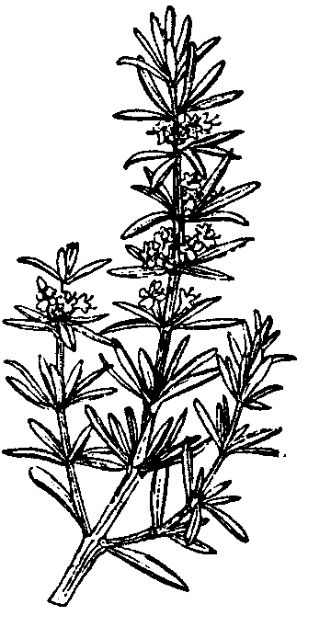
 |  |  |  |  |  |  |  |  |  |  |  |  |  |  | gs
 |  |  |  |  |  |  |  |  |  |  |  |  |  |  | sm
 |  |  |  |  |  |  |  |  |  |  |  |  |  |  | sm
 |  |  |  |  |  |  |  |  |  |  |  |  |  |  | sm
 |  |  |  |  |  |  |  |  |  |  |  |  |  |  | sm
 |  |  |  |  |  |  |  |  |  |  |  |  |  |  | gs/few
 |  |  |  |  |  |  |  |  |  |  |  |  |  |  | gs/few
 |  |  |  |  |  |  |  |  |  |  |  |  |  |  | gs
 |  |  |  |  |  |  |  |  |  |  |  |  |  |  | gs
 |  |  |  |  |  |  |  |  |  |  |  |  |  |  | gs
 |  |  |  |  |  |  |  |  |  |  |  |  |  |  | gs
 |  |  |  |  |  |  |  |  |  |  |  |  |  |  | gs
 |  |  |  |  |  |  |  |  |  |  |  |  |  |  | gs
 |  |  |  |  |  |  |  |  |  |  |  |  |  |  | ~
 |  |  |  |  |  |  |  |  |  |  |  |  |  |  | ~
 |  |  |  |  |  |  |  |  |  |  |  |  |  |  | sm
 |  |  |  |  |  |  |  |  |  |  |  |  |  |  | sm
 |  |  |  |  |  |  |  |  |  |  |  |  |  |  | sm
 |  |  |  |  |  |  |  |  |  |  |  |  |  |  | sm
 |  |  |  |  |  |  |  |  |  |  |  |  |  |  | sm
 |  |  |  |  |  |  |  |  |  |  |  |  |  |  | sm
 |  |  |  |  |  |  |  |  |  |  |  |  |  |  | ~
 |  |  |  |  |  |  |  |  |  |  |  |  |  |  | ~
 |  |  |  |  |  |  |  |  |  |  |  |  |  |  | vs |  |  | Quart Bayleaf flat of 10 pots
 |  |  |  |  |  |  |  |  |  |  |  |  |  |  | sm |  |  | Bayleaf |  | gs
 |  |  |  |  |  |  |  |  |  |  |  |  |  |  | sm
...
 |  |  |  |  |  |  |  | Order Qty. |  |  |  |  |  |  |  |  |  | Quart | Order Qty. | Gallon | Order Qty.
 |  |  |  |  |  |  |  |  |  |  |  |  | Orange |  |  |  |  | ~ |  | gs
 |  |  |  |  |  |  |  |  |  |  |  |  | Red/Scarlet |  |  |  |  | gs |  | gs
 |  |  |  |  |  |  |  |  |  |  |  |  | Rose/Pink |  |  |  |  | gs/few |  | gs
 |  |  |  |  |  |  |  |  |  |  |  |  | Yellow |  |  |  |  | ~ |  | gs
 |  |  |  |  |  |  |  |  |  |  |  | Rodgersia (Grower's Choice) |  |  |  |  |  | ~ |  | vs
 |  |  |  |  |  |  |  |  |  |  |  |  | Aesculifolia |  |  |  |  | ~ |  | vs
 |  |  |  |  |  |  |  |  |  |  |  |  | Pinnata |  |  |  |  | ~ |  | vs
 |  |  |  |  |  |  |  |  |  |  |  | Scabiosa, Butterfly Blue |  |  |  |  |  | ~ |  | c
...
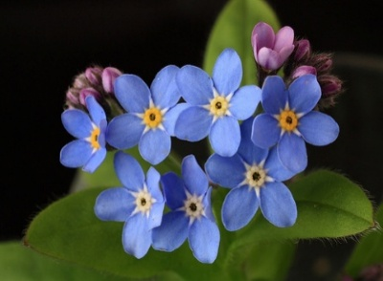
...
 |  |  |  |  |  |  |  |  |  |  |  |  |  |  |  |  |  |  |  |  | Page 7 flat total: | 0
 |  |  |  |  |  |  |  |  |  |  |  |  |  |  |  |  |  | Des. | Order Qty.
 |  |  |  |  |  |  |  |  |  |  |  | 4" Vegtables:

 |  |  |  |  |  |  |  |  |  |  |  |  | Beets |  |  |  |  | gs
 |  |  |  |  |  |  |  |  |  |  |  |  | Carrots |  |  |  |  | gs
 |  |  |  |  |  |  |  |  |  |  |  |  | Snap Peas |  |  |  |  | gs
 |  |  |  |  |  |  |  |  |  |  |  |  | Peppers (details coming) |  |  |  |  | ~
...

